Sheet1
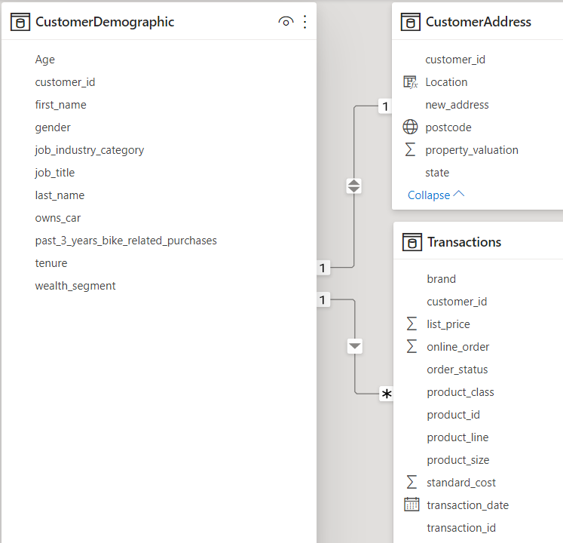
 |  | Demographic, Addresses, Transactions

Yes
 |  | Module 1 | … | Module 2 | ... | ... | ... | ... | (Optional)
Phase 1: | Exploration | Data Gathering | Data Cleaning | Data Transformation | Feature Engineering | Preprocessing with all features | Feature Extraction | Data Exploration | Dashboard Visualization on Training data
 |  |  | (replace/ remove missing data, noises, inconsistencies, remove duplicates, filter outliers, etc.) | ( Pivot, normalization, discretization/ binning, aggregation) | ( Customers age, generation, order_profit, recency, frequency, loyalty, etc.) | (Comebine all datasets, drop irrelevant columns, feature Scaling, get dummies) | ( Dimension reduction - PCA, Feature Selection) | ( Stats, Correlations, Distribution, Clutering, etc.) | ( 3 dashboards: Customers, Purchases, Time-series)
 |  | … | … | … | … | … |  | …
No
Phase 2: | Model Development | Rescale remaining features | PyCaret Highlevel test | Models training and testing | Models Evaluation & Comparison | Best Model Selection & Tuning | Need more features ? | Deploy and Serve Model (Optional)
 |  |  | (Classification, Logistic Regression) | (Train-test split) | (K-fold cross validation, Confusion matrix, accuracy, recall, precision, F1 score, AUC/ROC) | (Gridsearch tuning)
 |  | Module 3 | …
Phase 3: | Results Interpretation | Results Evaluation on New Customer set | Dashboard Visualizations
 |  |  | (Power BI)

 |  |  | Report

